M04
Speaker: M04 | Intelligibility: Very Low | Speech Vision Accuracy: 10.94

Model Name | Layers Frozen | Accuracy | Loss graph | Training accuracy graph
M04_E1.h5 | Encoder 1 | 7 | 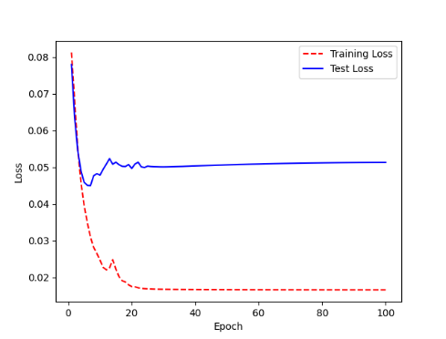 | 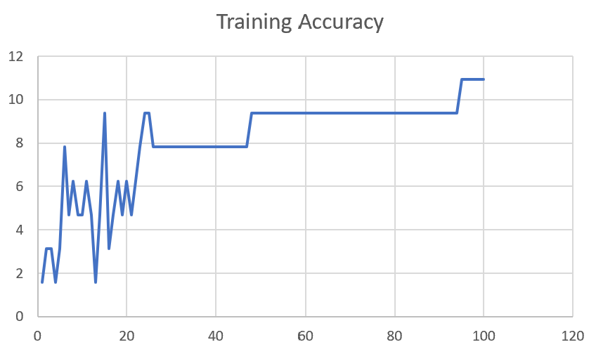

M04_E12.h5 | Encoder 12 | 5 | 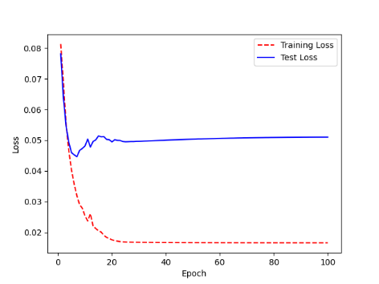 | 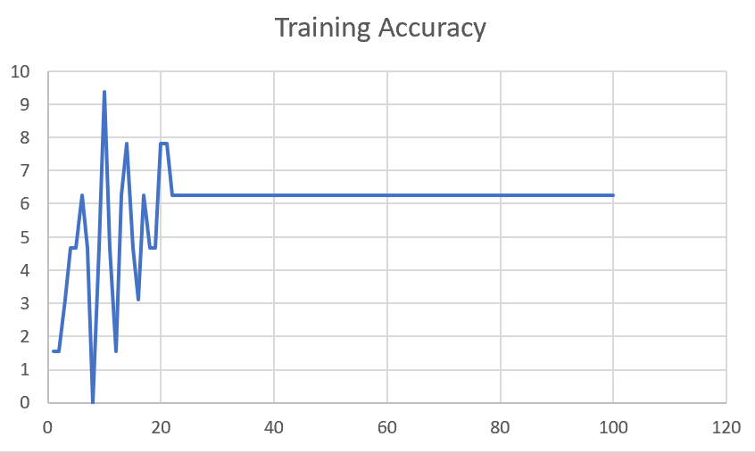

M04_E123 | Encoder 123 | 7 | 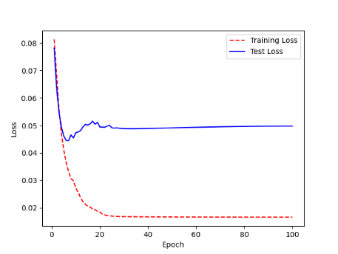 | 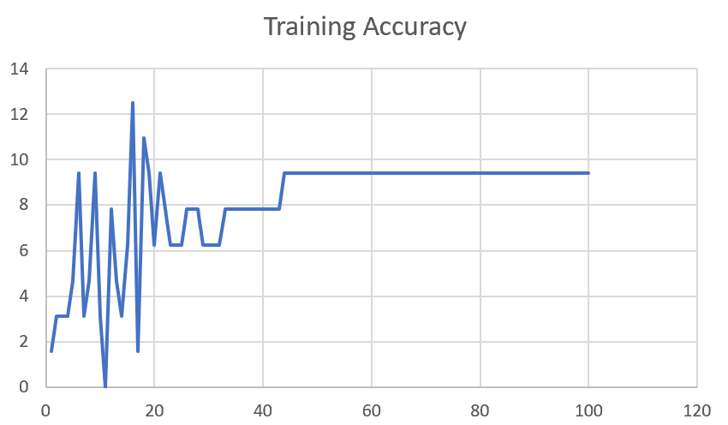

M04_E1234 | Encode 1234 | 6 |  | 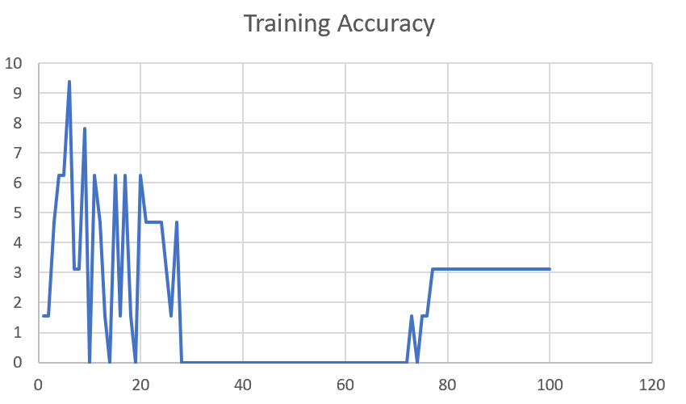

M04_E12345 | Encode 12345 | 6 | 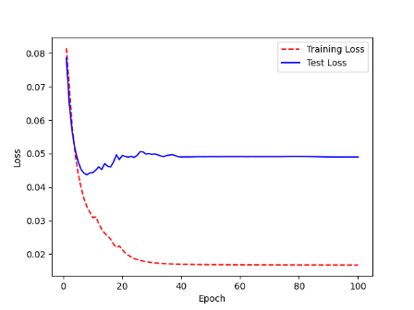 | 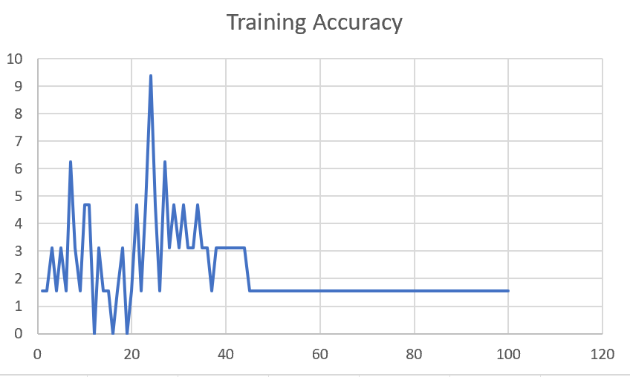

M04_TE | Token Embeddings | 7 | 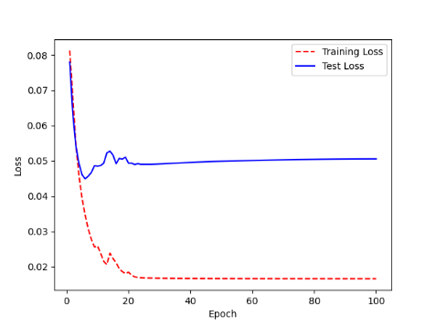 | 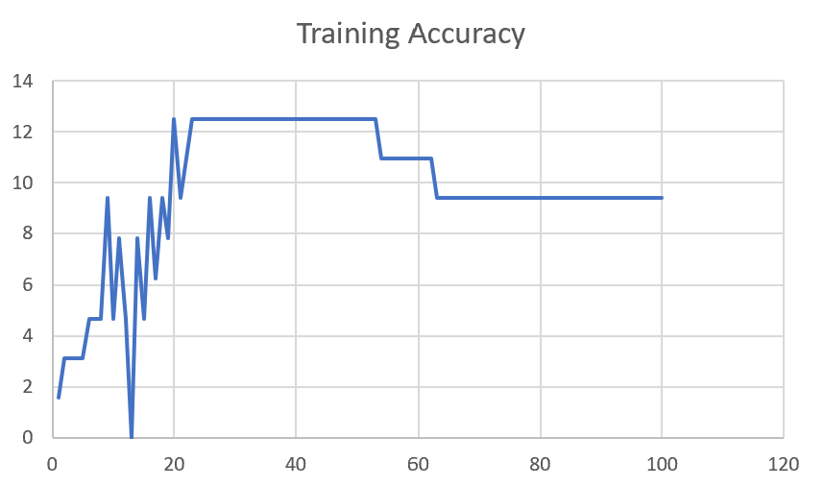

M04_T3+D123 | Token Embeddings + Decoder 1 | 6 | 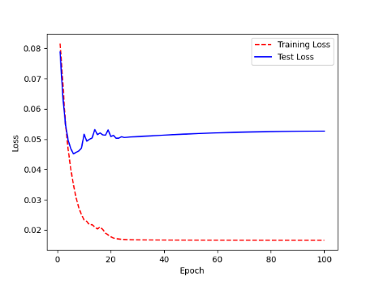 | 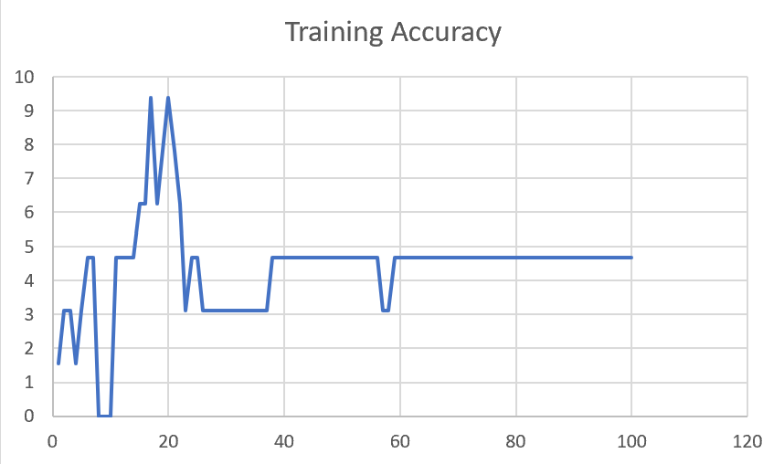

M04_T3+D12 | Token Embeddings + Decoder 12 | 6 | 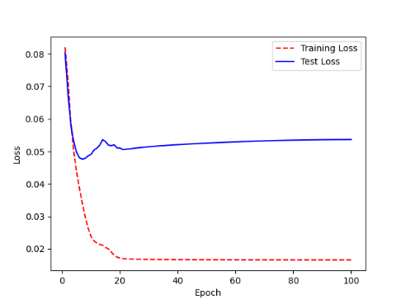 | 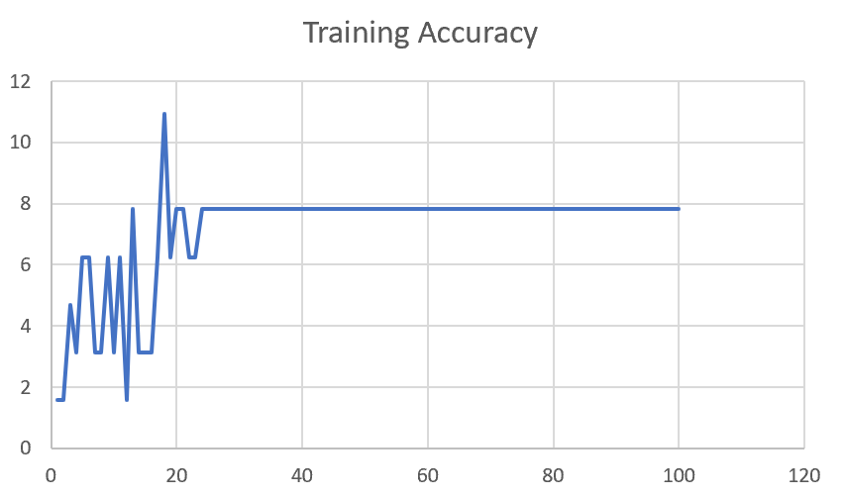

M04_T3+D1 | Token Embeddings + Decoder 123 | 5 | 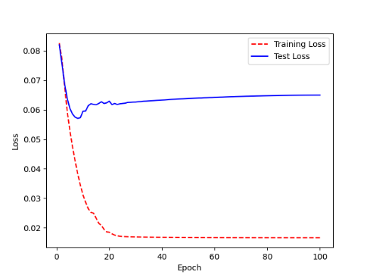 | 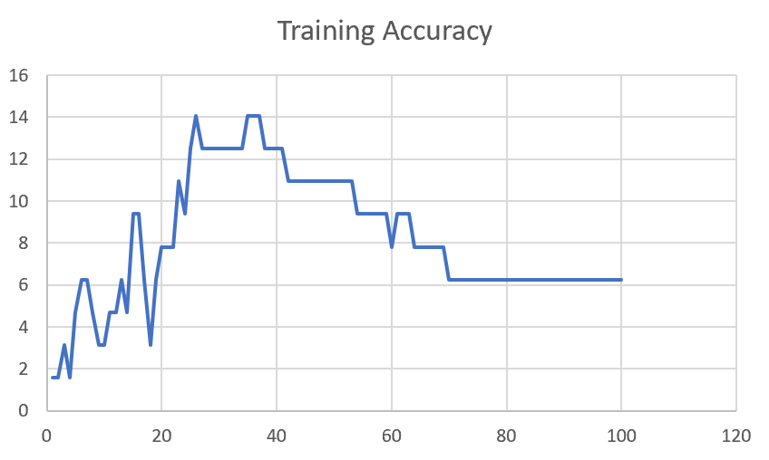

F02
Speaker: F02 | Intelligibility: Low | Speech Vision Accuracy: 67.02

Model Name | Layers Frozen | Accuracy | Loss graph | Training accuracy graph
F02_E1.h5 | Encoder 1 | 47 |  | 

F02_E12.h5 | Encoder 12 | 45 |  | 

F02_E123 | Encoder 123 | 47 |  | 

F02_E1234 | Encode 1234 | 43 |  | 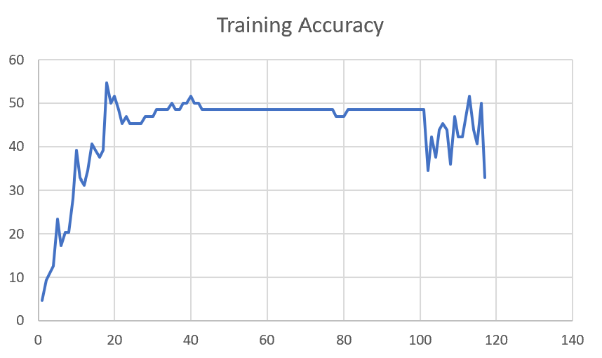

F02_E12345 | Encode 12345 | 41 | 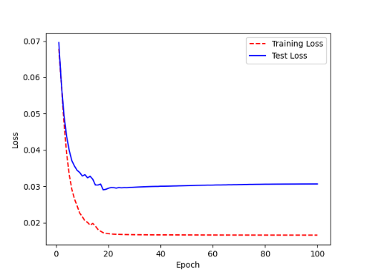 | 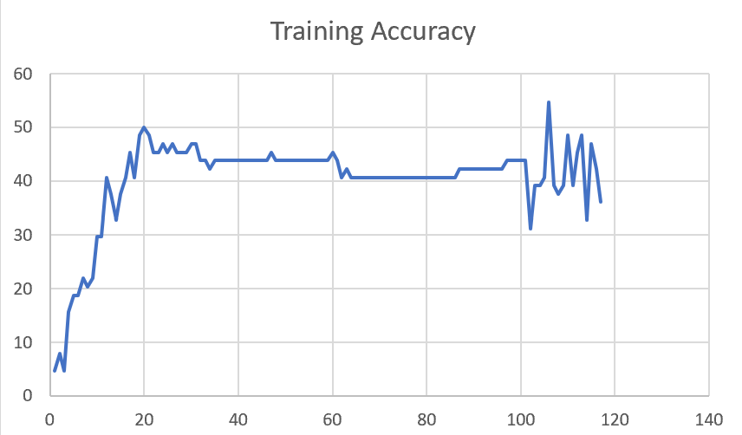

F02_t3 | Token Embeddings | 52 | 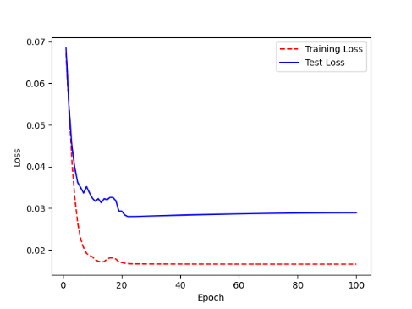 | 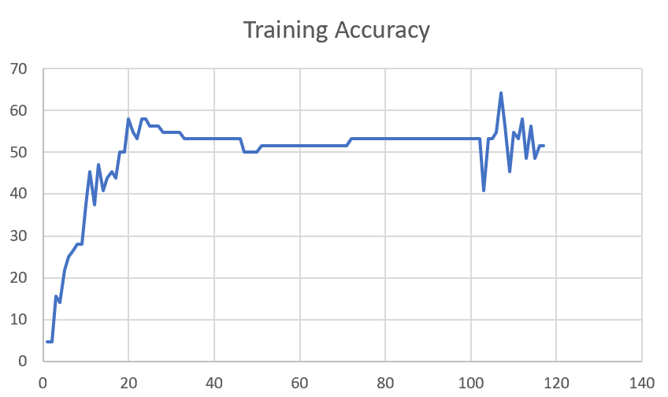

F02_T3+D123 | Token Embeddings + Decoder 123 | 45 | 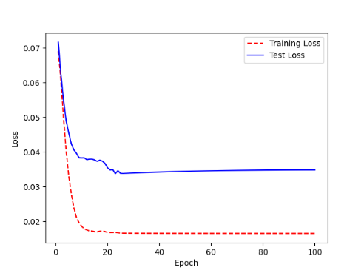 | 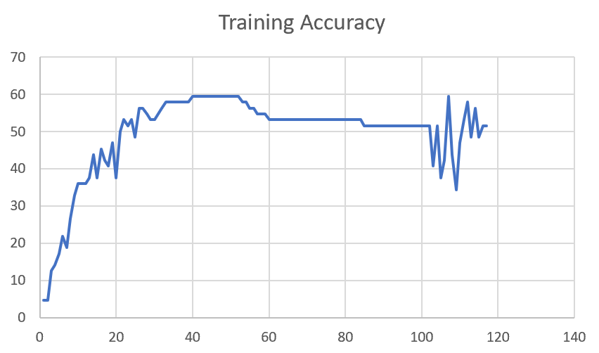

F02_T3+D12 | Token Embeddings + Decoder 12 | 50 | 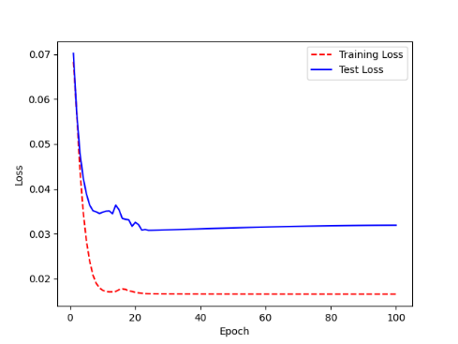 | 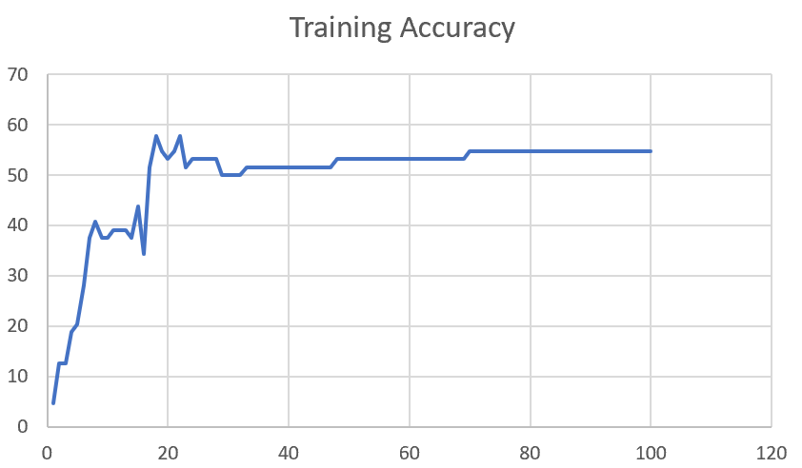

F02_T3+D1 | Token Embeddings + Decoder 1 | 50 | 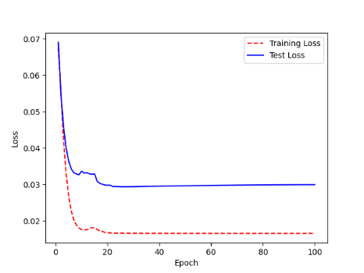 | 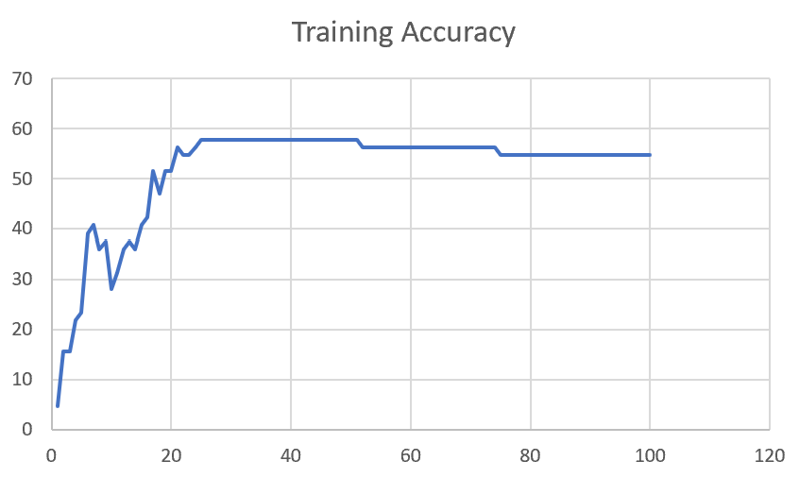

F03
Speaker: F03 | Intelligibility: Very Low | Speech Vision Accuracy: 32.47

Model Name | Layers Frozen | Accuracy | Loss graph | Training accuracy graph
F03_E1.h5 | Encoder 1 | 22 | 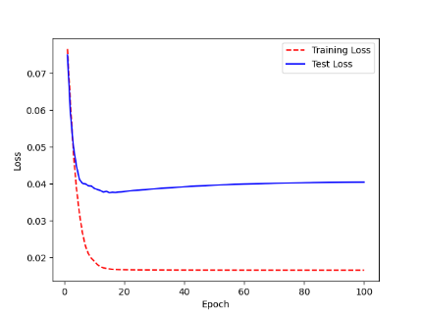 | 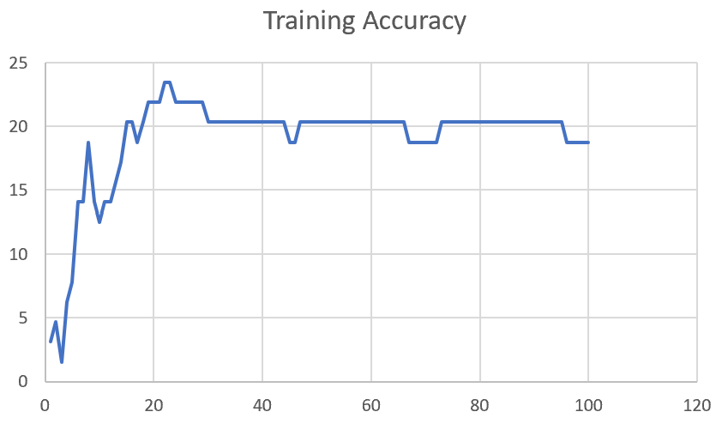

F03_E12.h5 | Encoder 12 | 25 | 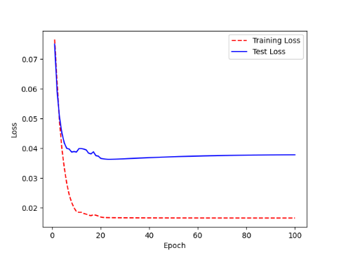 | 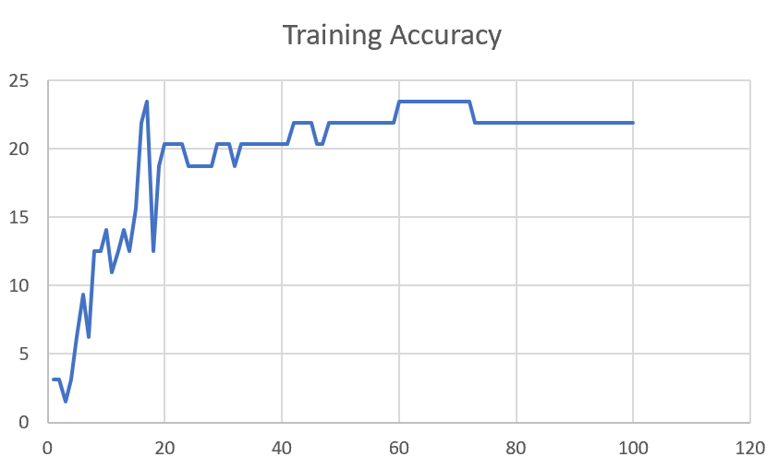

F03_E123 | Encoder 123 | 23 | 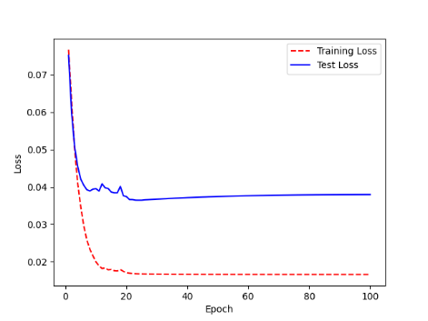 | 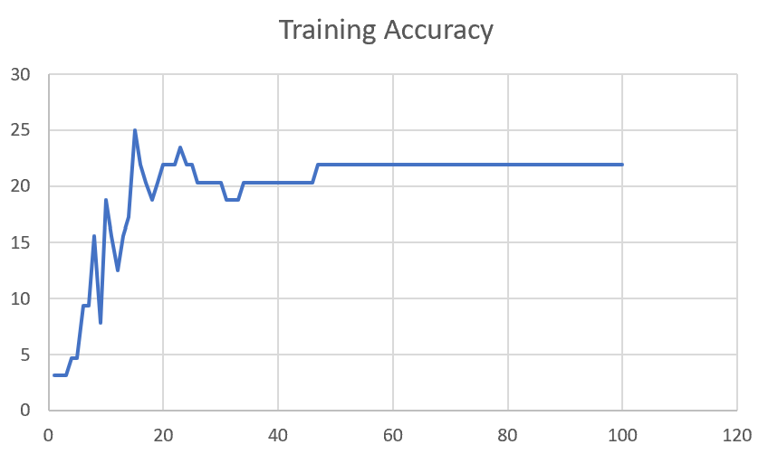

F03_E1234 | Encode 1234 | 20 | 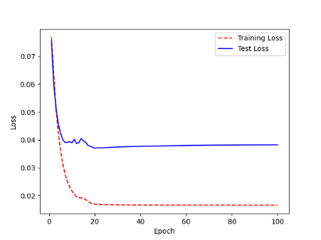 | 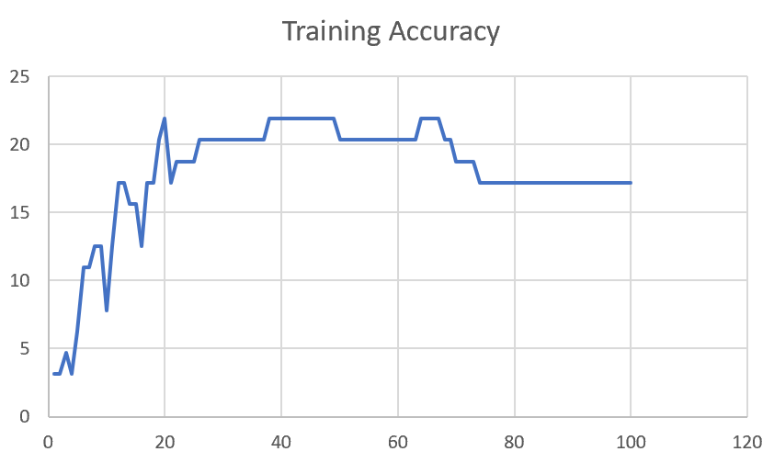

F03_E12345 | Encode 12345 | 19 |  | 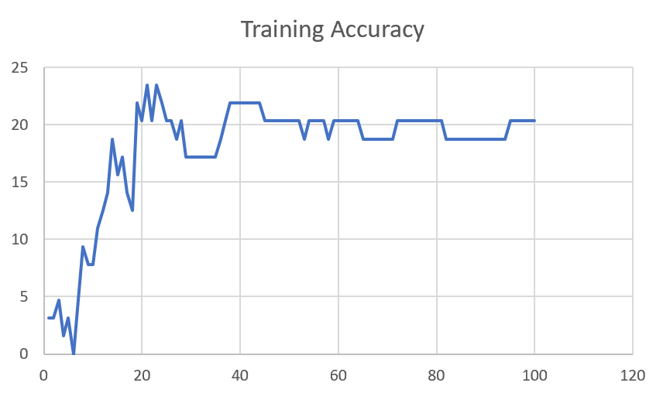

F03_TE | Token Embeddings | 28 |  | 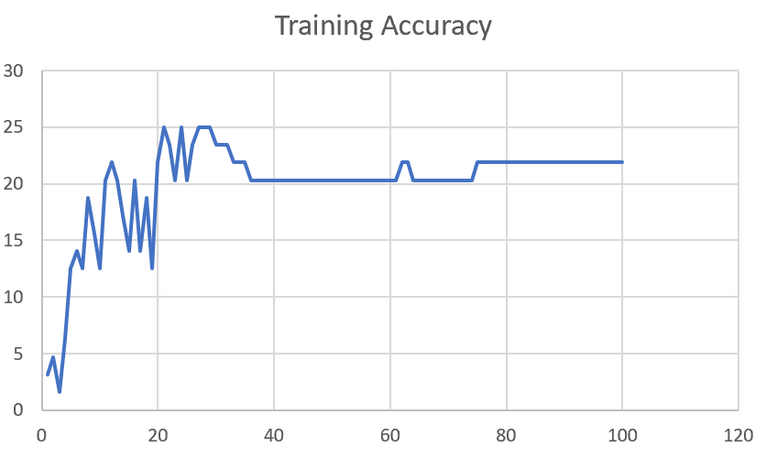

F03_T3+D123 | Token Embeddings + Decoder 1 | 29 |  | 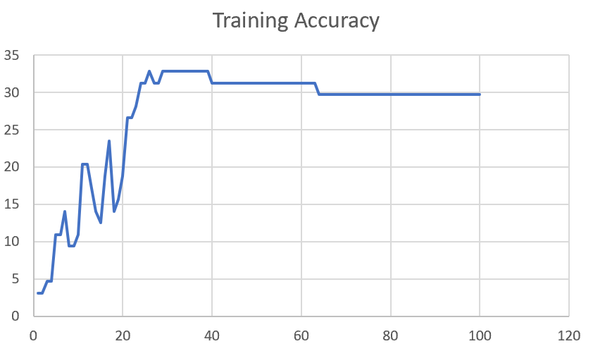

F03_T3+D12 | Token Embeddings + Decoder 12 | 25 | 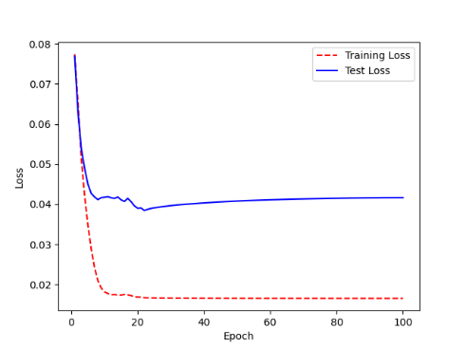 | 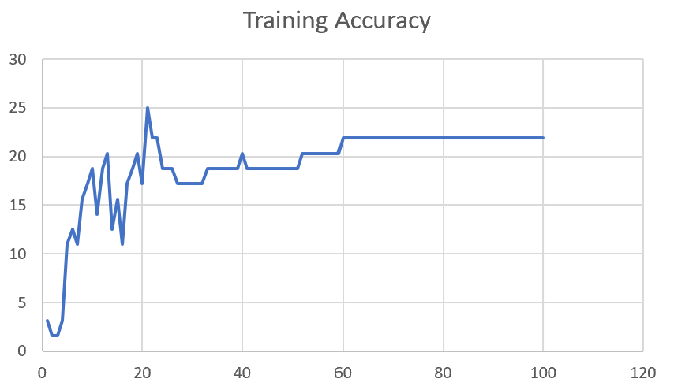

F03_T3+D1 | Token Embeddings + Decoder 123 | 22 | 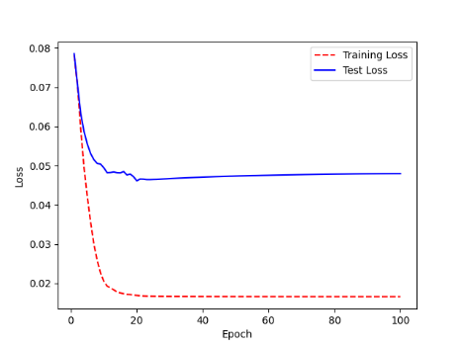 | 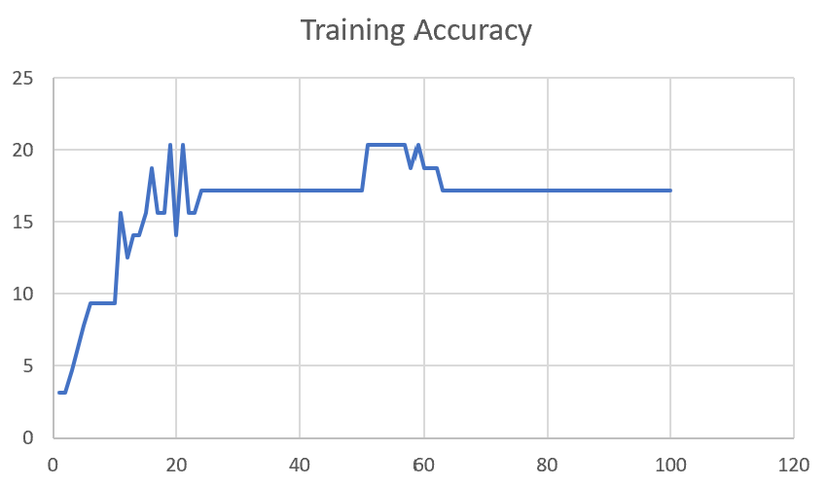

M12
Speaker: M12 | Intelligibility: Very Low | Speech Vision Accuracy: 40.65

Model Name | Layers Frozen | Accuracy | Loss graph | Training accuracy graph
M12_E1.h5 | Encoder 1 | 17 | 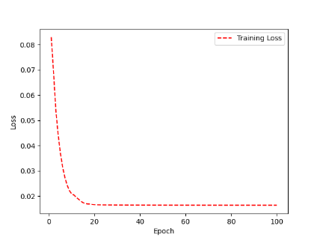 | 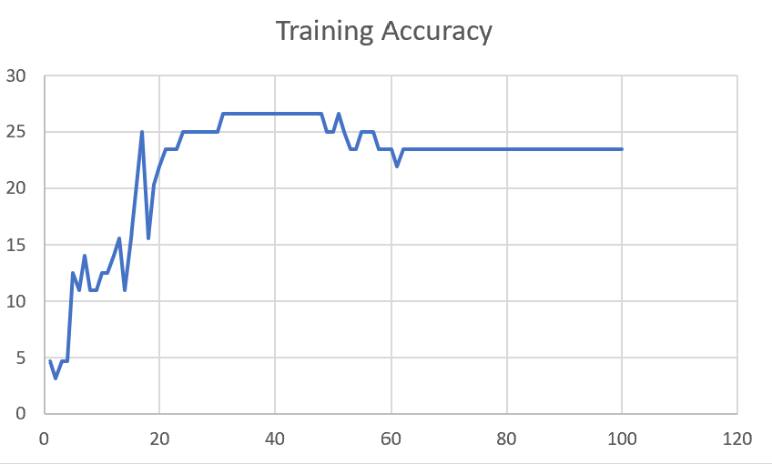

M12_E12.h5 | Encoder 12 | 18 |  | 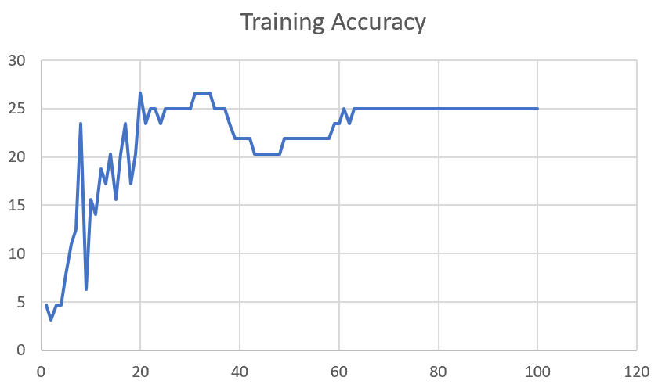

M12_E123 | Encoder 123 | 18 | 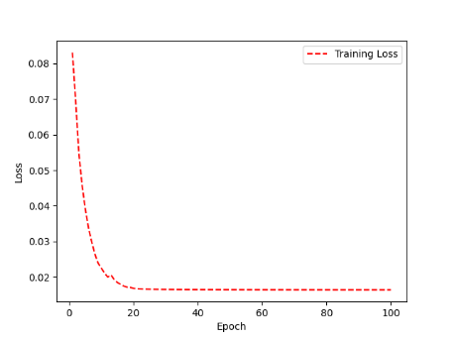 | 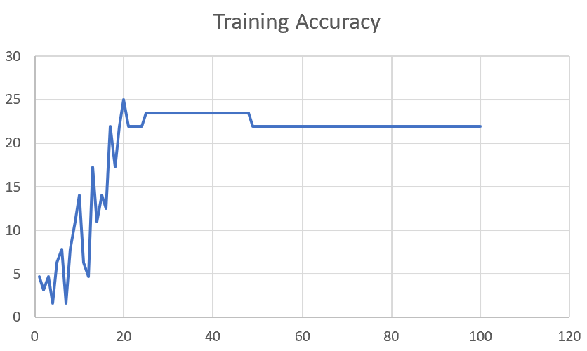

M12_E1234 | Encode 1234 | 14 | 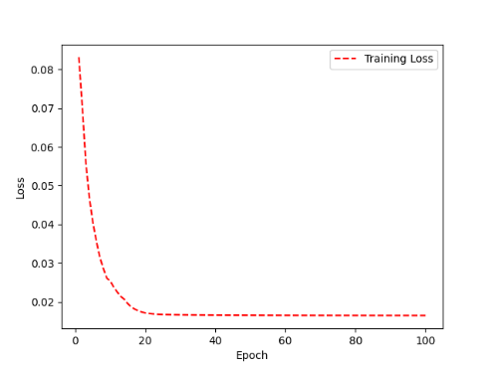 | 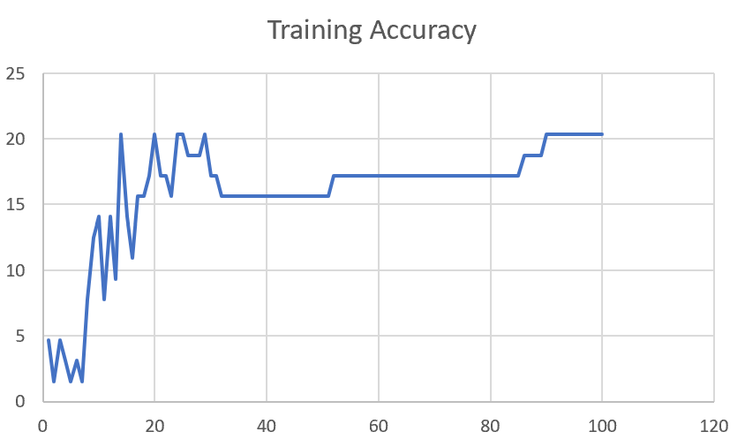

M12_E12345 | Encode 12345 | 16 |  | 

M12_TE | Token Embeddings | 19 |  | 

M12_T3+D123 | Token Embeddings + Decoder 1 | 17 |  | 

M12_T3+D12 | Token Embeddings + Decoder 12 | 16 |  | 

M12_T3+D1 | Token Embeddings + Decoder 123 | 13 |  | 

M12_D3 | Decoder 3 | 15 |  | 

M01
Speaker: M01 | Intelligibility: Very Low | Speech Vision Accuracy: 28.37

Model Name | Layers Frozen | Accuracy | Loss graph | Training accuracy graph
M01_E1.h5 | Encoder 1 | 24 |  | 

M01_E12.h5 | Encoder 12 | 22 |  | 

M01_E123 | Encoder 123 | 18 |  | 

M01_E1234 | Encode 1234 | 15 |  | 

M01_E12345 | Encode 12345 | 17 |  | 

M01_TE | Token Embeddings | 21 |  | 

M01_T3+D123 | Token Embeddings + Decoder 1 | 28 |  | 

M01_T3+D12 | Token Embeddings + Decoder 12

M01_T3+D1 | Token Embeddings + Decoder 123

M01_D3 | Decoder 3

Sheet1
 |  |  | Training Accuracy
0 | 0.984375 | 1 | 1.5625
1 | 0.984375 | 2 | 1.5625
2 | 0.9375 | 3 | 6.25
3 | 0.921875 | 4 | 7.8125
4 | 0.921875 | 5 | 7.8125
5 | 0.875 | 6 | 12.5
6 | 0.890625 | 7 | 10.9375
7 | 0.890625 | 8 | 10.9375
8 | 0.890625 | 9 | 10.9375
9 | 0.859375 | 10 | 14.0625
10 | 0.90625 | 11 | 9.375
11 | 0.875 | 12 | 12.5
12 | 0.859375 | 13 | 14.0625
13 | 0.921875 | 14 | 7.8125
14 | 0.890625 | 15 | 10.9375
15 | 0.875 | 16 | 12.5
16 | 0.84375 | 17 | 15.625
17 | 0.859375 | 18 | 14.0625
18 | 0.8125 | 19 | 18.75
19 | 0.765625 | 20 | 23.4375
20 | 0.8125 | 21 | 18.75
21 | 0.828125 | 22 | 17.1875
22 | 0.828125 | 23 | 17.1875
23 | 0.84375 | 24 | 15.625
24 | 0.84375 | 25 | 15.625
25 | 0.84375 | 26 | 15.625
26 | 0.84375 | 27 | 15.625
27 | 0.828125 | 28 | 17.1875
28 | 0.828125 | 29 | 17.1875
29 | 0.8125 | 30 | 18.75
30 | 0.828125 | 31 | 17.1875
31 | 0.828125 | 32 | 17.1875
32 | 0.84375 | 33 | 15.625
33 | 0.84375 | 34 | 15.625
34 | 0.84375 | 35 | 15.625
35 | 0.84375 | 36 | 15.625
36 | 0.84375 | 37 | 15.625
37 | 0.84375 | 38 | 15.625
38 | 0.84375 | 39 | 15.625
39 | 0.828125 | 40 | 17.1875
40 | 0.796875 | 41 | 20.3125
41 | 0.796875 | 42 | 20.3125
42 | 0.8125 | 43 | 18.75
43 | 0.84375 | 44 | 15.625
44 | 0.84375 | 45 | 15.625
45 | 0.828125 | 46 | 17.1875
46 | 0.828125 | 47 | 17.1875
47 | 0.859375 | 48 | 14.0625
48 | 0.84375 | 49 | 15.625
49 | 0.8125 | 50 | 18.75
50 | 0.765625 | 51 | 23.4375
51 | 0.8125 | 52 | 18.75
52 | 0.8125 | 53 | 18.75
53 | 0.765625 | 54 | 23.4375
54 | 0.75 | 55 | 25
55 | 0.765625 | 56 | 23.4375
56 | 0.78125 | 57 | 21.875
57 | 0.71875 | 58 | 28.125
58 | 0.71875 | 59 | 28.125
59 | 0.71875 | 60 | 28.125
60 | 0.71875 | 61 | 28.125
61 | 0.734375 | 62 | 26.5625
62 | 0.71875 | 63 | 28.125
63 | 0.71875 | 64 | 28.125
64 | 0.71875 | 65 | 28.125
65 | 0.71875 | 66 | 28.125
66 | 0.71875 | 67 | 28.125
67 | 0.71875 | 68 | 28.125
68 | 0.71875 | 69 | 28.125
69 | 0.71875 | 70 | 28.125
70 | 0.71875 | 71 | 28.125
71 | 0.71875 | 72 | 28.125
72 | 0.71875 | 73 | 28.125
73 | 0.71875 | 74 | 28.125
74 | 0.71875 | 75 | 28.125
75 | 0.71875 | 76 | 28.125
76 | 0.71875 | 77 | 28.125
77 | 0.71875 | 78 | 28.125
78 | 0.71875 | 79 | 28.125
79 | 0.71875 | 80 | 28.125
80 | 0.71875 | 81 | 28.125
81 | 0.71875 | 82 | 28.125
82 | 0.71875 | 83 | 28.125
83 | 0.71875 | 84 | 28.125
84 | 0.71875 | 85 | 28.125
85 | 0.71875 | 86 | 28.125
86 | 0.71875 | 87 | 28.125
87 | 0.71875 | 88 | 28.125
88 | 0.71875 | 89 | 28.125
89 | 0.71875 | 90 | 28.125
90 | 0.71875 | 91 | 28.125
91 | 0.71875 | 92 | 28.125
92 | 0.71875 | 93 | 28.125
93 | 0.71875 | 94 | 28.125
94 | 0.71875 | 95 | 28.125
95 | 0.71875 | 96 | 28.125
96 | 0.71875 | 97 | 28.125
97 | 0.71875 | 98 | 28.125
98 | 0.71875 | 99 | 28.125
99 | 0.71875 | 100 | 28.125
<__main__.DisplayOutputs object at 0x7f9720784280> | 0.71875 | #VALUE! | 28.125
<__main__.DisplayOutputs object at 0x7f9720784280> | 0.75 | #VALUE! | 25
<__main__.DisplayOutputs object at 0x7f9720784280> | 0.8125 | #VALUE! | 18.75
<__main__.DisplayOutputs object at 0x7f9720784280> | 0.8125 | #VALUE! | 18.75
<__main__.DisplayOutputs object at 0x7f9720784280> | 0.734375 | #VALUE! | 26.5625
<__main__.DisplayOutputs object at 0x7f9720784280> | 0.671875 | #VALUE! | 32.8125
<__main__.DisplayOutputs object at 0x7f9720784280> | 0.546875 | #VALUE! | 45.3125
<__main__.DisplayOutputs object at 0x7f9720784280> | 0.82352941176 | #VALUE! | 17.647058824
<__main__.DisplayOutputs object at 0x7f1a886fd100> | 0.90625 | #VALUE! | 9.375
<__main__.DisplayOutputs object at 0x7f1a886fd100> | 0.84375 | #VALUE! | 15.625
<__main__.DisplayOutputs object at 0x7f1a886fd100> | 0.8125 | #VALUE! | 18.75
<__main__.DisplayOutputs object at 0x7f1a886fd100> | 0.8125 | #VALUE! | 18.75
<__main__.DisplayOutputs object at 0x7f1a886fd100> | 0.875 | #VALUE! | 12.5
<__main__.DisplayOutputs object at 0x7f1a886fd100> | 0.828125 | #VALUE! | 17.1875
<__main__.DisplayOutputs object at 0x7f1a886fd100> | 0.88235294118 | #VALUE! | 11.764705882
 |  | 1 | 100
 |  | 1 | 100
<__main__.DisplayOutputs object at 0x7eff3012ee50> | 0.55737704918

